Copy of Sheet1
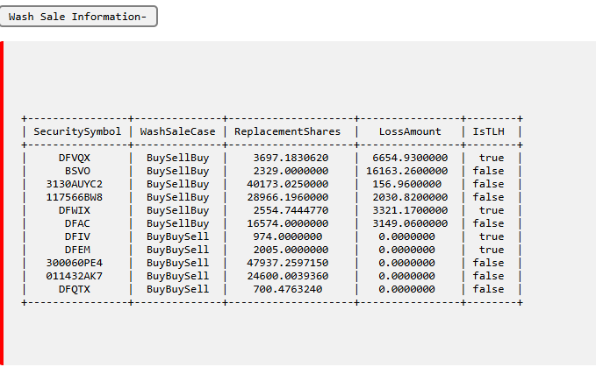
https://orion-advisor.atlassian.net/browse/INVST-10873 |  | Developer - Saurabh |  | QA - Gourav Singh | Cases Reviewed by :Gagandeep Kaur

Test case | Expected Result | Actual Result | Status | Message | Developer's Remark | Bug Rating
Allow Wash Sale : Enable TLH Allow Wash Sale : Disable | Trade Discarded with Error Considering TLH wash sale for IsTLH = 1. | Trade discarded for IsTLH = 1. | PASS

Allow Wash Sale : Enable TLH Allow Wash Sale : Enable | Trade Created with warning Considering TLH wash sale for IsTLH = 1. | Trade created with warning for all. | PASS

Allow Wash Sale : Enable TLH Allow Wash Sale : Default | Trade Created with Warning Considering Allow wash sale for IsTLH = 1. | Trade created with warning for all. | PASS

Allow Wash Sale : Disable TLH Allow Wash Sale : Default | Trade Discarded with Error Considering Allow wash sale for IsTLH = 1. | Trade Discarded. | PASS

Allow Wash Sales on a 100% Sell : Enable | Sell trade should be created without warning when selling 100 %. | Created without warning. | PASS

Allow Wash Sale : Disable TLH Allow Wash Sale : Enable | Trade Discarded with Error Considering TLH wash sale. | Trade created with warning message for security with IsTLH = 1. | PASS

Allow Wash Sales on a 100% Sell : Enable | Sell trade should be created without warning when selling 100 %. | Warning appear for BUY only IsTLH = 1. | PASS

Allow Wash Sale : Disable TLH Allow Wash Sale : Disable | Trade Discarded with Error Considering Allow wash sale for IsTLH = 1. | Trade Discarded. | PASS

Allow Wash Sale : Disable TLH Allow Wash Sale : Enable / Disable Allow Wash Sales on a 100% Sell : Enable | Sell trade should be created without warning when selling 100 %. | Sell trade Created without warning. | PASS

Firm 26700 > PID 2719 > Security BABA is BBS and UPS is BSB > PID 2719 and 1353 have same washsalegroup id 906. Open PID 1353 > Sell BABA and WMT / Buy UPS and NKE > check wash sale error message. | check above cases. | Working as Expected. | PASS

